Sheet1
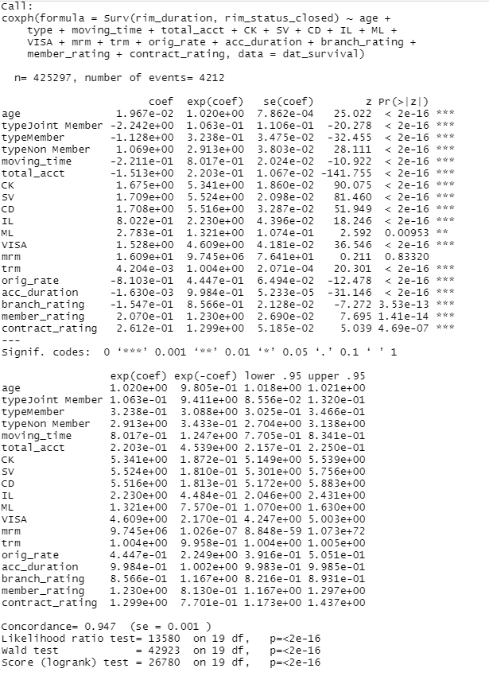
 | Vriables | percentage change
 | type Join Member (compared to Business type) | 0.89 | 0.11 | type Join Member (compared to Business type) |  | type Join Member (compared to Business type) | 0.11
 | total account | 0.78 | 0.22 | total account |  | total account | 0.22
 | type Member (compared to Business type) | 0.68 | 0.32 | type Member (compared to Business type) |  | type Member (compared to Business type) | 0.32
 | original rate | 0.56 | 0.44 | original rate |  | original rate | 0.44
 | moving time | 0.2 | 0.8 | moving time |  | moving time | 0.8
 | branch rating | 0.14 | 0.86 | branch rating |  | branch rating | 0.86
 | term | 0 | 1 | term | 1 | term | 1
 | account duration | 0 | 1 | account duration | 1 | account duration | 1
 | age | -0.02 | 1.02 | age | 0.02 | age | 1.02
 | member rating | -0.23 | 1.23 | member rating | 0.23 | member rating | 1.23
 | contract rating | -0.3 | 1.3 | contract rating | 0.3 | contract rating | 1.3
 | ML | -0.32 | 1.32 | ML | 0.32 | ML | 1.32
 | IL | -1.23 | 2.23 | IL | 0.23 | IL | 2.23
 | type Non Member (compared to Business Type) | -1.91 | 2.91 | type Non Member (compared to Business Type) | 1.91 | type Non Member (compared to Business Type) | 2.91
 | VISA | -3.16 | 4.16 | VISA | 3.16 | VISA | 4.16
 | CK | -4.34 | 5.34 | CK | 4.34 | CK | 5.34
 | SV | -4.52 | 5.52 | SV | 4.52 | SV | 5.52
 | CD | -4.52 | 5.52 | CD | 4.54 | CD | 5.52
 |  |  | Cox hazard ratio (which is exp(coef)) |  | Cox hazard ratio (which is exp(coef))

 |  |  |  | Red: Increase
 |  |  |  | Blue: Decrease

Cox hazard ratio (which is exp(coef))

